Sheet1
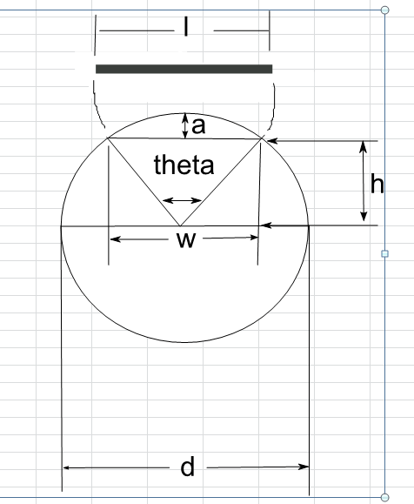

 | mm
Radius of Cylinder (d/2) | 67.5 | mm
Label Width (l) | 40 | mm

Angle (theta) | 33.953054526 | degrees
h | 64.558707593 | mm
a (d/2 - h) | 2.9412924075

